Sheet1
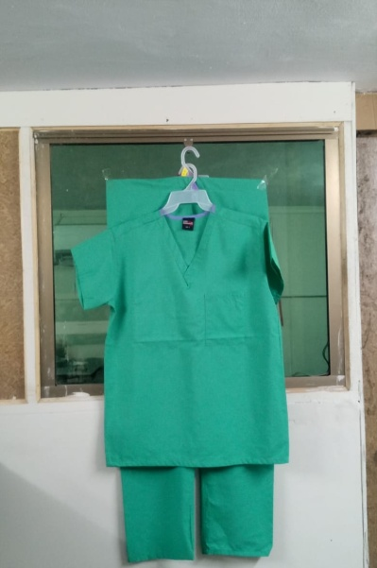
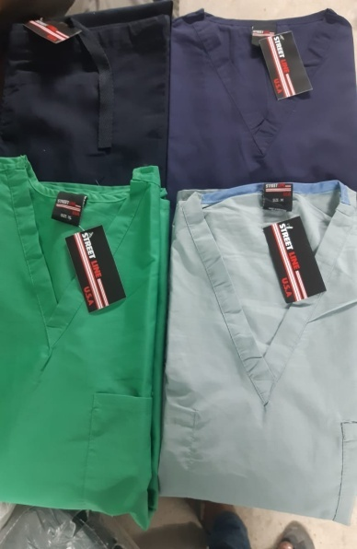
 |  |  |  |  | TOPS |  |  |  |  |  | 22,992
CARTON NO | COLOR | SOLID COLOR ASSORTED SIZE |  |  |  |  |  |  | PCS | CTN | TOTAL PCS
 |  | RATIO

 |  | XS | S | M | L | XL | 2XL | 3XL
1-146 | SKY BLUE | 4 | 4 | 8 | 12 | 12 | 4 | 4 | 48 | 146 | 7008
147-167 | SKY BLUE | 4 | 8 | 4 | 4 | 12 | 8 | 8 | 48 | 21 | 1008
168-177 | SKY BLUE | 0 | 8 | 12 | 12 | 12 | 4 | 0 | 48 | 10 | 480
178-206 | SKY BLUE | 8 | 8 | 4 | 12 | 8 | 4 | 4 | 48 | 29 | 1392
207-271 | GREEN | 4 | 4 | 8 | 12 | 12 | 4 | 4 | 48 | 65 | 3120
272-301 | GREEN |  | 4 | 12 | 12 | 12 | 4 | 4 | 48 | 30 | 1440
302-312 | GREEN |  | 4 | 12 | 12 | 12 | 4 | 4 | 48 | 11 | 528
313-331 | GREEN | 2 | 4 | 6 | 12 | 12 | 8 | 4 | 48 | 19 | 912
332-381 | GREY | 4 | 4 | 8 | 12 | 12 | 4 | 4 | 48 | 50 | 2400
382-403 | GREY |  | 5 | 10 | 13 | 12 | 4 | 4 | 48 | 22 | 1056
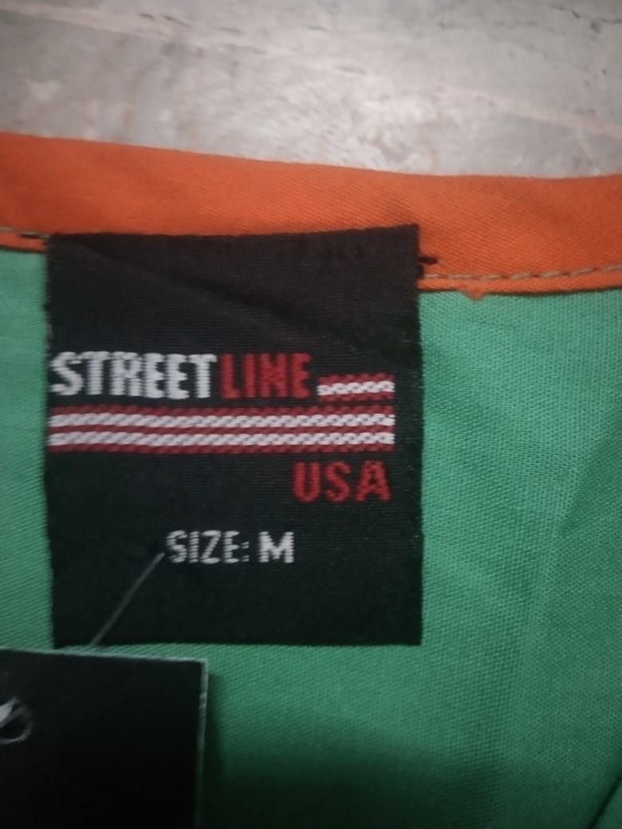
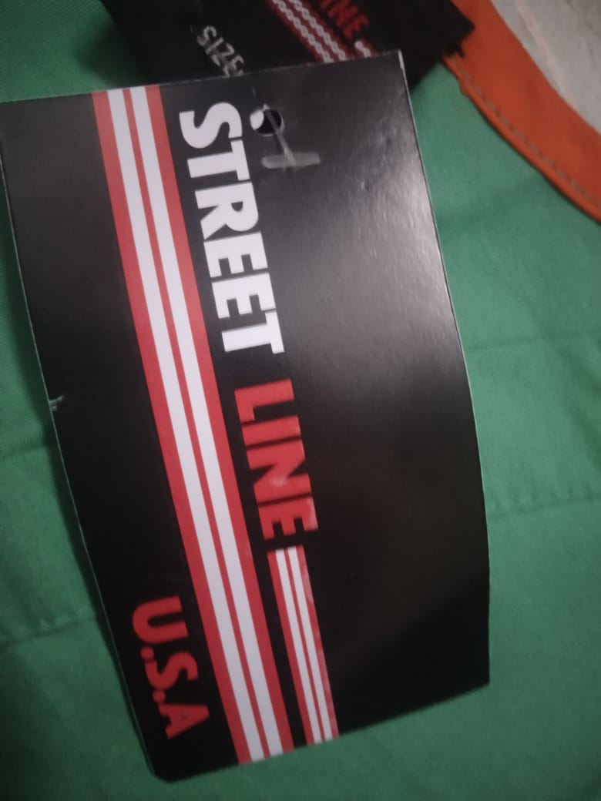
404-420 | GREY |  | 4 | 8 | 14 | 14 | 4 | 4 | 48 | 17 | 816
421-433 | GREY |  | 4 | 7 | 15 | 15 | 4 | 3 | 48 | 13 | 624
434-443 | BLACK | 4 | 4 | 8 | 12 | 12 | 4 | 4 | 48 | 10 | 480
444-446 | BLACK | MIX SIXE |  |  |  |  |  |  | 48 | 3 | 144
447-459 | WHITE | 4 | 4 | 8 | 12 | 12 | 4 | 4 | 48 | 13 | 624
460-462 | WHITE | MIX SIZE |  |  |  |  |  |  | 48 | 3 | 144
463-468 | BURGANDI | 4 | 4 | 8 | 12 | 12 | 4 | 4 | 48 | 6 | 288
469-472 | NAVY BLUE | 2 | 6 | 8 | 12 | 12 | 4 | 4 | 48 | 4 | 192
473-475 | PURPLE | 2 | 7 | 7 | 13 | 15 | 4 |  | 48 | 3 | 144
476-479 | PURPLE | MIX SIZE |  |  |  |  |  |  | 48 | 4 | 192
 |  |  |  |  |  |  |  |  |  | 479

 |  | Bottoms
CARTON NO | COLOR | SOLID COLOR ASSORTED SIZE |  |  |  |  |  |  | PCS | CTN | TOTAL PCS
 |  | RATIO
 |  | XS | S | M | L | XL | 2XL | 3XL
480-516 | SKY BLUE | 4 | 4 | 8 | 12 | 12 | 4 | 4 | 48 | 37 | 1776
517-536 | SKY BLUE | 0 | 4 | 6 | 10 | 12 | 8 | 8 | 48 | 20 | 960
537-544 | SKY BLUE | 0 | 2 | 4 | 12 | 12 | 12 | 6 | 48 | 8 | 384
545-578 | GREEN | 4 | 4 | 8 | 12 | 12 | 4 | 4 | 48 | 34 | 1632
579-588 | GREEN | 2 | 12 | 10 | 4 | 12 | 4 | 4 | 48 | 10 | 480
589-591 | GREEN | 0 | 8 | 16 | 12 | 8 | 4 | 0 | 48 | 3 | 144
592-664 | GREY | 4 | 4 | 8 | 12 | 12 | 4 | 4 | 48 | 73 | 3504
645-694 | GREY | 0 | 8 | 12 | 6 | 8 | 12 | 2 | 48 | 30 | 1440
695-703 | GREY | 0 | 12 | 4 | 12 | 6 | 10 | 4 | 48 | 9 | 432
704-714 | BLACK | 4 | 4 | 8 | 12 | 12 | 4 | 4 | 48 | 11 | 528
715-720 | BLACK | 0 |  | 12 | 10 | 10 | 8 | 8 | 48 | 6 | 288
721-725 | WHITE | 4 | 4 | 8 | 12 | 12 | 4 | 4 | 48 | 5 | 240
726-726 | WHITE | 6 | 6 | 10 | 12 | 12 | 2 | 0 | 48 | 1 | 48
727-728 | BURGANDI | 4 | 4 | 12 | 10 | 10 | 4 | 4 | 48 | 2 | 96
729-730 | PURPLE | 8 | 10 | 6 | 10 | 4 | 6 | 4 | 48 | 2 | 96

 |  |  |  |  |  |  |  |  |  | 251 | 12,048
TOTAL CARTON |  | 251
TOTAL PCS |  | 12,048

